Sheet1
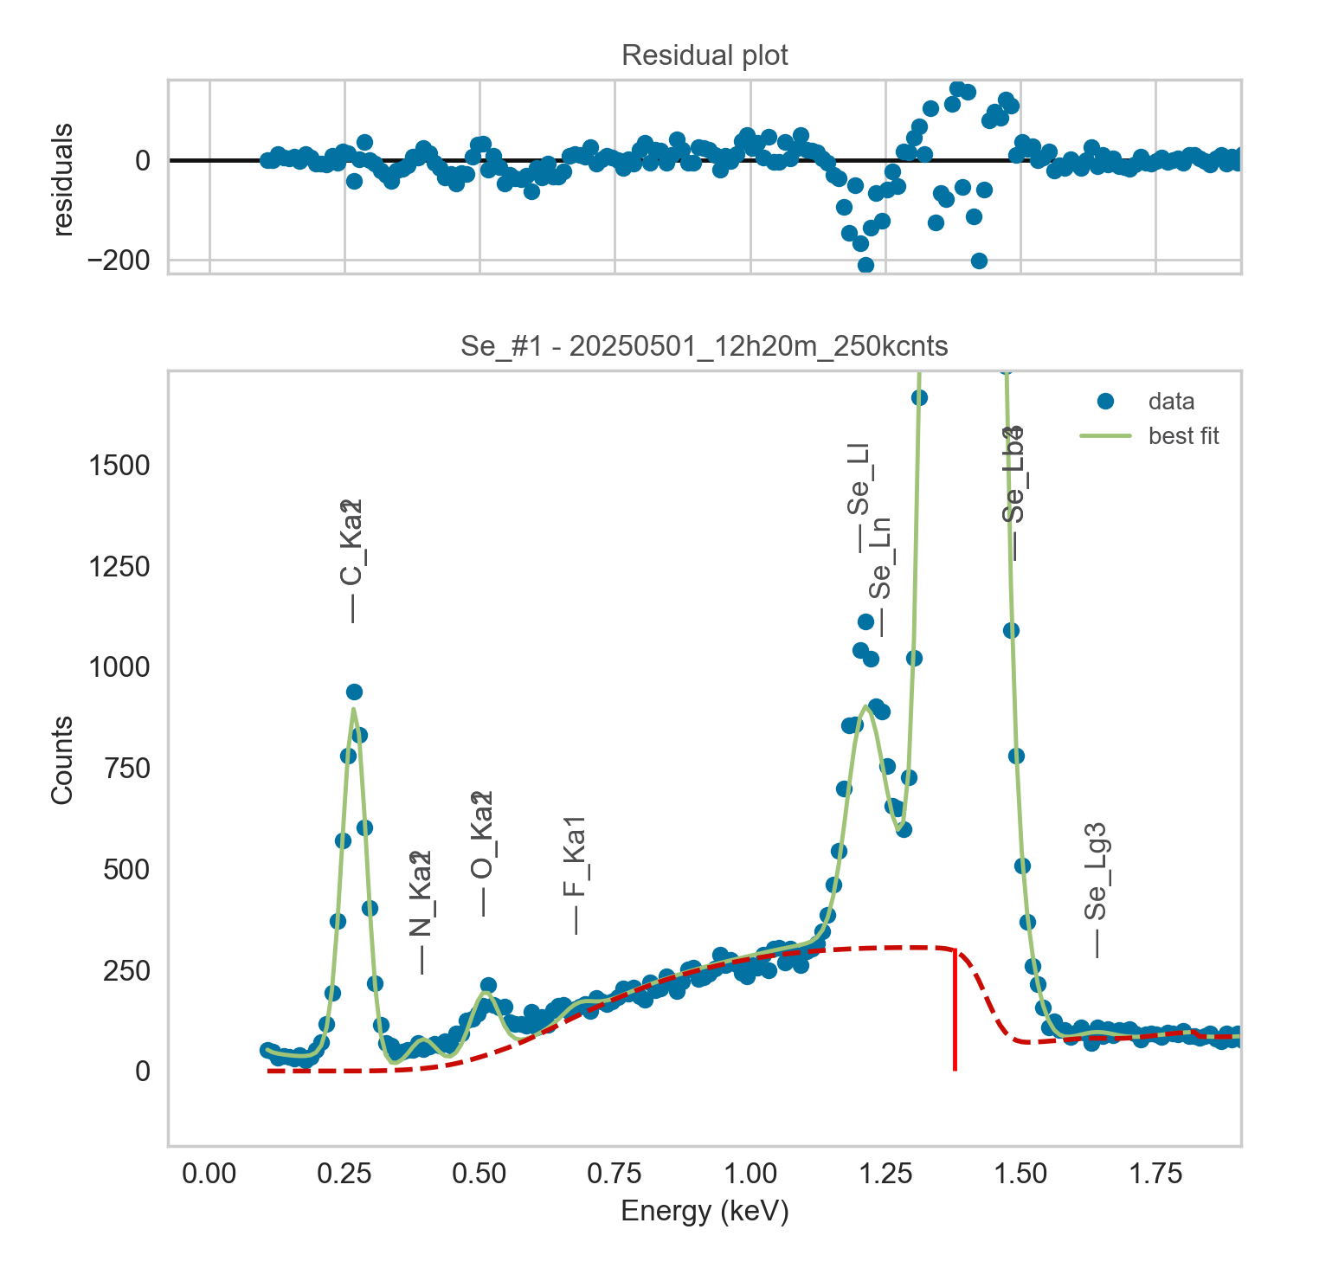
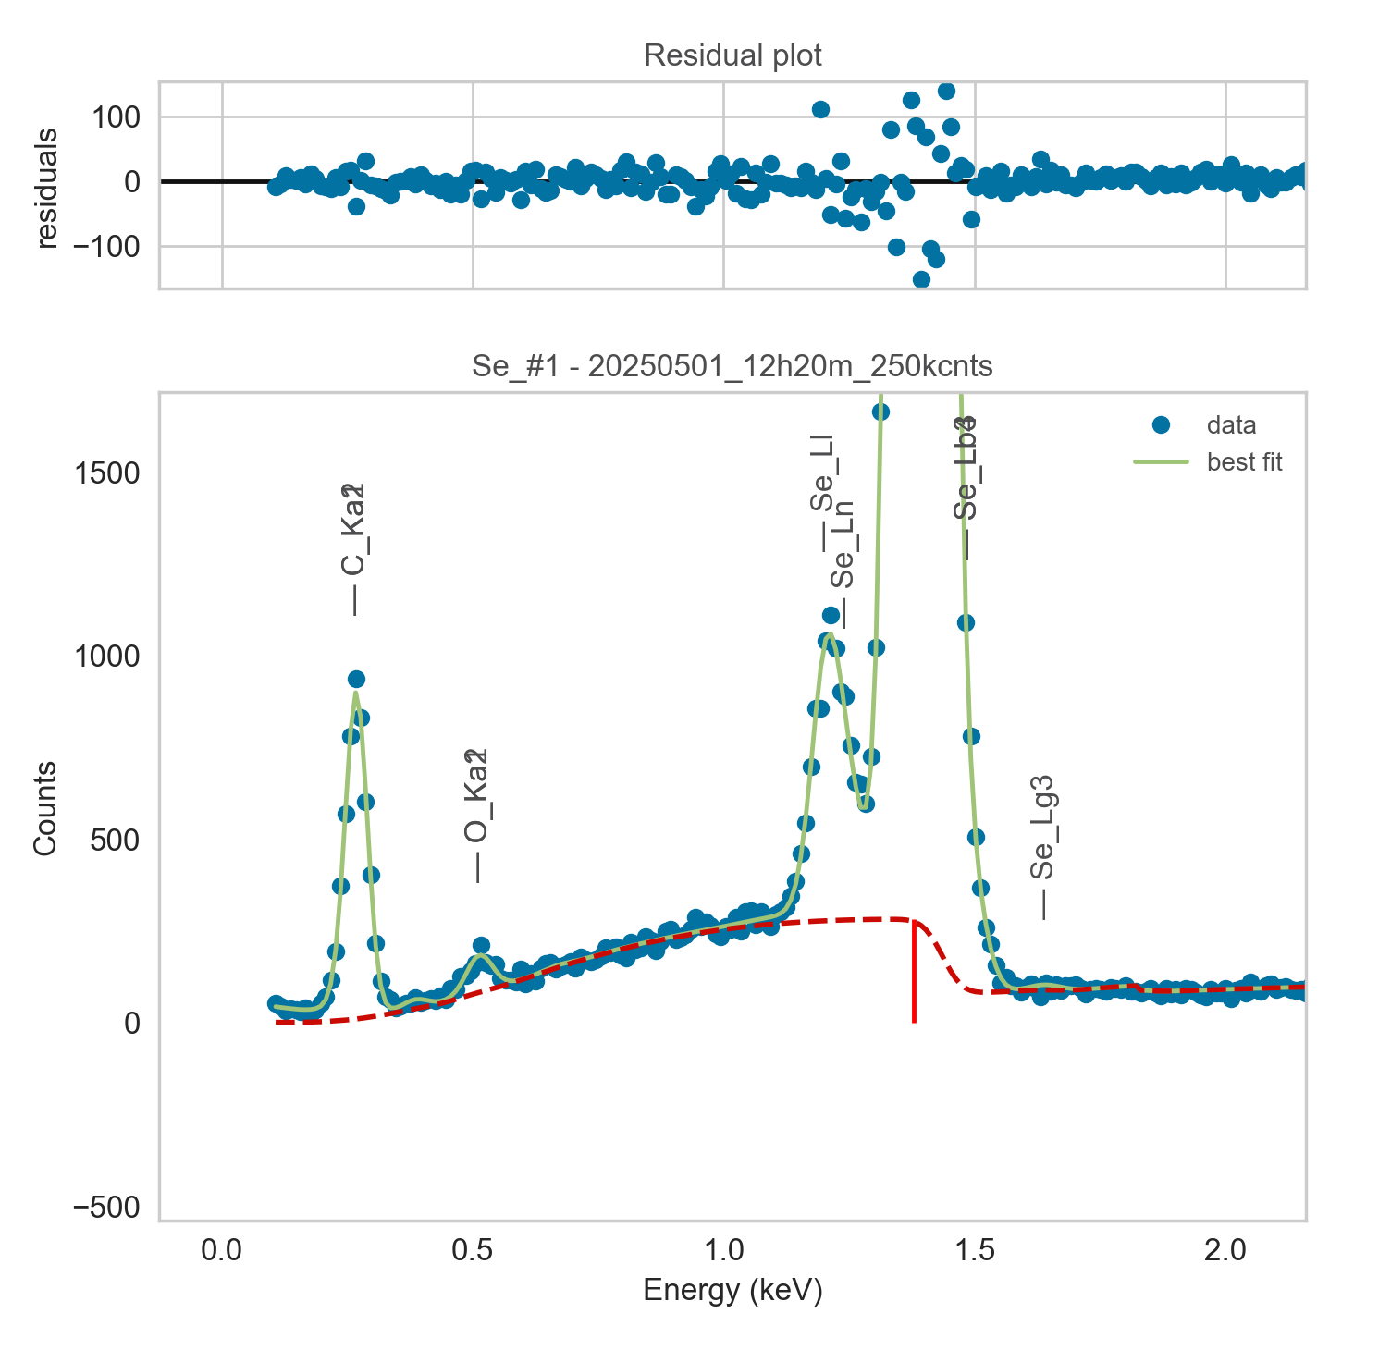
Weights calibrated measuring a pure Ti standard, bulk, polished
Area of all peaks is fitted
A constant shift is maintained across all peaks
Sigma is fixed for all peaks

Se |  | Meas 1 | Meas 2 | Meas 3 | Meas 4 | Meas 5 | Meas 6 | Meas 7 | Meas 8 | Meas 9 | Meas 10
La1 |  | 841.49 | 876.135 | 879.022 | 923.743 | 985.892 | 906.304 | 877.935 | 914.084 | 855.371 | 895.97
Ll |  | 40.384 | 42.122 | 41.441 | 45.15 | 45.044 | 42.665 | 41.743 | 42.816 | 41.666 | 43.034
Ln |  | 21.428 | 18.301 | 20.443 | 17.909 | 17.89 | 18.641 | 20.474 | 19.405 | 20.031 | 17.9

Line | Original w | Meas 1 | Meas 2 | Meas 3 | Meas 4 | Meas 5 | Meas 6 | Meas 7 | Meas 8 | Meas 9 | Meas 10 | Mean | Stdev | Er (%)
La1 | 1 | 1.0000 | 1.0000 | 1.0000 | 1.0000 | 1.0000 | 1.0000 | 1.0000 | 1.0000 | 1.0000 | 1.0000 | 1.0000
Ll | 3.45E-02 | 0.0480 | 0.0481 | 0.0471 | 0.0489 | 0.0457 | 0.0471 | 0.0475 | 0.0468 | 0.0487 | 0.0480 | 0.0476 | 0.0010 | 2.00
Ln | 1.30E-02 | 0.0255 | 0.0209 | 0.0233 | 0.0194 | 0.0181 | 0.0206 | 0.0233 | 0.0212 | 0.0234 | 0.0200 | 0.0216 | 0.0022 | 10.38
Ll + Ln | 0.0475 | 0.0735 | 0.0690 | 0.0704 | 0.0683 | 0.0638 | 0.0676 | 0.0709 | 0.0681 | 0.0721 | 0.0680 | 0.0692 | 0.0027 | 3.91

The fitting of peaks Lb3 + Lb4 varies, but their sum is more or less constant |  |  |  |  |  |  | The fitting of peaks Ll + Ln varies, but their sum is more or less constant
So we use the original ratios to diustribute the sum among the 2 peaks, giving: |  |  |  |  |  |  | So we use the original ratios to diustribute the sum among the 2 peaks, giving:

 | Ll | Ln | Sum
Original ratio | 0.7263 | 0.2737
Resulting weights: | 0.0502 | 0.0189 | 0.0692

 |  | Without fixing the peaks above: |  |  |  |  |  |  |  |  | Fixing the peaks above:

